MCF
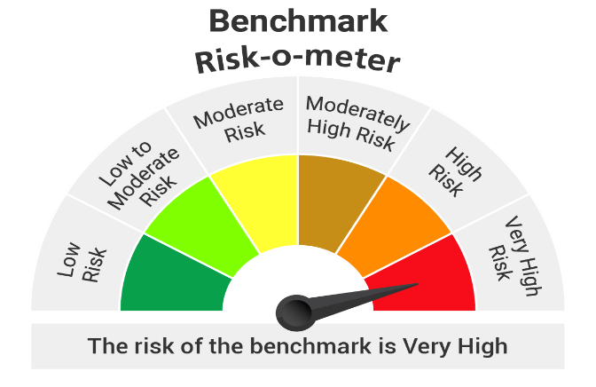
 |  | Portfolio of Kotak Nifty Midcap 50 Index Fund as on 31-Jan-2026
Name of Instrument |  |  | ISIN Code | Industry | Yield | Quantity | Market Value (Rs.in Lacs) | % to Net Assets
Equity & Equity related
 | Listed/Awaiting listing on Stock Exchange
 |  | BSE LTD | INE118H01025 | Capital Markets |  | 13651 | 381.82 | 5.64
 |  | Hero MotoCorp Ltd. | INE158A01026 | Automobiles |  | 4336 | 239.95 | 3.54
 |  | FEDERAL BANK LTD. | INE171A01029 | Banks |  | 82182 | 236.48 | 3.49
 |  | Persistent Systems Limited | INE262H01021 | IT - Software |  | 3635 | 219.37 | 3.24
 |  | INDUSIND BANK LTD. | INE095A01012 | Banks |  | 21997 | 197.12 | 2.91
 |  | Suzlon Energy Ltd. | INE040H01021 | Electrical Equipment |  | 405340 | 193.23 | 2.85
 |  | Indus Towers Ltd. | INE121J01017 | Telecom - Services |  | 43234 | 192.09 | 2.84
 |  | PB Fintech Ltd. | INE417T01026 | Financial Technology (Fintech) |  | 11390 | 188.45 | 2.78
 |  | Ashok Leyland Ltd. | INE208A01029 | Agricultural, Commercial and Constr |  | 95580 | 188.00 | 2.78
 |  | Cummins India Ltd. | INE298A01020 | Industrial Products |  | 4513 | 185.60 | 2.74
 |  | AU SMALL FINANCE BANK LTD. | INE949L01017 | Banks |  | 18852 | 185.19 | 2.73
 |  | Coforge Limited | INE591G01025 | IT - Software |  | 11184 | 184.96 | 2.73
 |  | IDFC FIRST BANK LIMITED | INE092T01019 | Banks |  | 221092 | 184.79 | 2.73
 |  | Lupin Ltd. | INE326A01037 | Pharmaceuticals and Biotechnology |  | 8099 | 174.36 | 2.57
 |  | HDFC ASSET MANAGEMENT COMPANY LTD. | INE127D01025 | Capital Markets |  | 6797 | 170.99 | 2.52
 |  | One 97 Communications Ltd | INE982J01020 | Financial Technology (Fintech) |  | 13561 | 154.26 | 2.28
 |  | Fortis Healthcare India Ltd | INE061F01013 | Healthcare Services |  | 17408 | 148.23 | 2.19
 |  | Dixon Technologies India Ltd | INE935N01020 | Consumer Durables |  | 1373 | 143.42 | 2.12
 |  | Max Financial Services Ltd | INE180A01020 | Insurance |  | 8807 | 142.11 | 2.10
 |  | MUTHOOT FINANCE LTD. | INE414G01012 | Finance |  | 3582 | 137.18 | 2.03
 |  | HINDUSTAN PETROLEUM CORPORATION LTD. | INE094A01015 | Petroleum Products |  | 32080 | 136.98 | 2.02
 |  | SRF LTD. | INE647A01010 | Chemicals and Petrochemicals |  | 4850 | 136.59 | 2.02
 |  | UPL Ltd | INE628A01036 | Fertilizers and Agrochemicals |  | 18711 | 131.72 | 1.94
 |  | MARICO LTD. | INE196A01026 | Agricultural Food and other Product |  | 17657 | 128.86 | 1.90
 |  | BHARAT FORGE LTD. | INE465A01025 | Auto Components |  | 8907 | 128.39 | 1.90
 |  | YES Bank Ltd. | INE528G01035 | Banks |  | 586475 | 125.56 | 1.85
 |  | APL Apollo Tubes Ltd | INE702C01027 | Industrial Products |  | 6071 | 124.19 | 1.83
 |  | polycab India Limited | INE455K01017 | Industrial Products |  | 1759 | 123.37 | 1.82
 |  | Aurobindo Pharma Ltd. | INE406A01037 | Pharmaceuticals and Biotechnology |  | 9342 | 112.82 | 1.67
 |  | Bharat Heavy Electricals Ltd. | INE257A01026 | Electrical Equipment |  | 42926 | 112.77 | 1.67
 |  | GMR AIRPORTS LIMITED | INE776C01039 | Transport Infrastructure |  | 119194 | 111.91 | 1.65
 |  | Mphasis Ltd | INE356A01018 | IT - Software |  | 3809 | 105.09 | 1.55
 |  | PHOENIX MILLS LTD. | INE211B01039 | Realty |  | 6233 | 104.13 | 1.54
 |  | Dabur India Ltd. | INE016A01026 | Personal Products |  | 19679 | 99.69 | 1.47
 |  | NMDC Ltd. | INE584A01023 | Minerals and Mining |  | 115458 | 93.76 | 1.38
 |  | Colgate- Palmolive (India) Ltd. | INE259A01022 | Personal Products |  | 4398 | 92.98 | 1.37
 |  | Oil India Limited | INE274J01014 | Oil |  | 18218 | 92.92 | 1.37
 |  | P I Industries Ltd | INE603J01030 | Fertilizers and Agrochemicals |  | 2706 | 86.47 | 1.28
 |  | Tube Investments Of India Ltd. | INE974X01010 | Auto Components |  | 3566 | 83.27 | 1.23
 |  | NHPC Ltd. | INE848E01016 | Power |  | 105685 | 82.65 | 1.22
 |  | Prestige Estates Projects Limited | INE811K01011 | Realty |  | 5634 | 82.34 | 1.22
 |  | MANKIND PHARMA LTD | INE634S01028 | Pharmaceuticals and Biotechnology |  | 3778 | 80.24 | 1.18
 |  | GODREJ PROPERTIES LIMITED | INE484J01027 | Realty |  | 4983 | 78.57 | 1.16
 |  | Supreme Industries Limited | INE195A01028 | Industrial Products |  | 2155 | 75.72 | 1.12
 |  | SBI CARDS & PAYMENT SERVICES PVT. LTD. | INE018E01016 | Finance |  | 10013 | 75.45 | 1.11
 |  | Page Industries Ltd | INE761H01022 | Textiles and Apparels |  | 211 | 69.62 | 1.03
 |  | Jubilant Foodworks Limited | INE797F01020 | Leisure Services |  | 13074 | 64.98 | 0.96
 |  | Indian Railway Catering And Tourism Corporation Lt | INE335Y01020 | Leisure Services |  | 10077 | 62.78 | 0.93
 |  | Oracle Financial Services Software Ltd | INE881D01027 | IT - Software |  | 795 | 61.69 | 0.91
 |  | Oberoi Realty Limited | INE093I01010 | Realty |  | 3932 | 58.62 | 0.87
 |  |  |  | Total |  |  | 6,771.73 | 99.98

Net Current Assets/(Liabilities) |  |  |  |  |  |  | 0.47 | 0.02

 |  |  |  | Grand Total |  |  | 6,772.20 | 100.00

Notes :
1 | Face Value per unit: Rs. : 10

2 | Portfolio Turnover Ratio : 72.46%

3 | For NAV and IDCW refer NAV & IDCW details at the end of Monthly Portfolio

 |  | Nav Details :-
 |  | SCHEME | NAV From 31/12/2025 | NAV To 31/01/2026
 |  | Kotak Nifty Midcap 50 Index Fund Growth | 10.514 | 10.166
 |  | Kotak Nifty Midcap 50 Index Fund IDCW | 10.514 | 10.166
 |  | Kotak Nifty Midcap 50 Index Fund-Direct Growth | 10.603 | 10.257
 |  | Kotak Nifty Midcap 50 Index Fund-Direct IDCW | 10.603 | 10.257

4 | SO: Structured Obligations FRB: Floating Rate Bond CP: Commercial Paper CE: Credit Enhancement,CD: Certificate of Deposit TB: Treasury Bills/Cash Management Bills ZCB: Zero Coupon Bonds IDCW: Income Distribution Capital Withdrawl Plan

Scheme
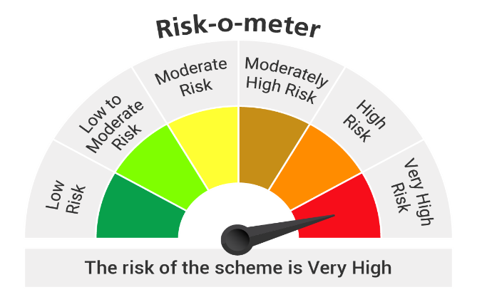

Benchmark - Nifty Midcap 50 Index (Total Return Index (TRI))

